Customer
Test case ID | Description | Test Cases | Steps | Input data | Expected result | Actual result | Screenshots | Pass/Fail | Customer1 login ID 89927 Password 654127 Account No1 86734 Account No2 86735 Customer2 login Id 12457 Account No 86736
CTC_BE_001 | Balance Enquiry | Verify Customer can inquire his balance | 1)Login to Guru99 Bank app as customer 2) Click on Balance Enquiry tab 3) Enter Account No of a valid balance 4) Submit | Account No 86735 | Balance details for Account 86735 must be displayed | The folowing informatin is displayed. Account ID Type of Account Balance | 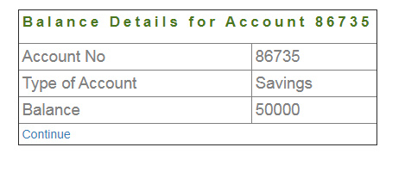 | Pass
CTC_BE_002 | Balance Enquiry Account No | Verify Customer Balance Enquiry Account No can not be empty | 1)Login to Guru99 Bank app as customer 2) Click on Balance Enquiry tab 3)Leave the Account No field empty |  | A massage must appear "Account number must not be blank" | As Expected. |  | Pass
CTC_BE_003 | Balance Enquiry Account No | Verify Customer Balance Enquiry Account No can not have special characters | 1)Login to Guru99 Bank app as customer 2) Click on Balance Enquiry tab 3)Enter special characters in the Account No field | Account No 8673# | A massage must appear "Special characters are not allowed" | As Expected. |  | Pass
CTC_BE_004 | Balance Enquiry Account No | Verify Customer Balance Enquiry Account No can not have characters | 1)Login to Guru99 Bank app as customer 2) Click on Balance Enquiry tab 3)Enter characters in the Account No field | Account No 8673a | A massage must appear "Characters are not allowed" | As Expected. |  | Pass
CTC_BE_005 | Other customers Balance Enquiry | Verify Customer can inquire only his balance, and no other customer's Balance | 1)Login to Guru99 Bank app as customer1 2) Click on Balance Enquiry tab 3)Enter customer2 Account No | Account No 86736 | A massage must appear "You are not authorized to get Balance details of this account". | User is able to enquire other customer's Balances | 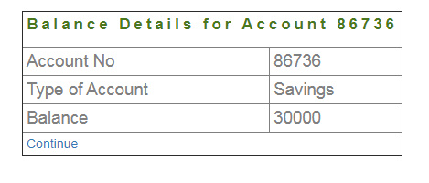 | Fail
CTC_BE_006 | Enquire Balance for non existing Account | Verify Customer can not enquire a non existing Balance | 1)Login to Guru99 Bank app as customer 2) Click on Balance Enquiry tab 3)Enter a non existing Account No | Account No 64738 | A massage must appear "You are not authorized to get Balance details of this account". | A massage must appear "Account does not exist" | As Expected | Pass
CTC_FT_001 | Fund Transfer | Verify Customer can transfer funds from one account to another | 1)Login to Guru99 Bank app as customer 2) Click on Fund Transfer tab 3)Enter Payers account no 4)Enter Payees account no 5)Enter amount to be transfered 6)Add description 7) click Submit | Payers account no 86734 Payees account no 86735 Amount to be transferred-2000 Description-transfer | Fund Transfer details for Account No 86734 must appear | 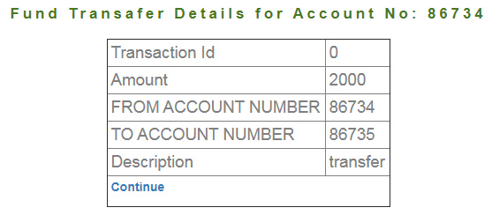 As Expected. The folowing information is shown Transaction ID Amount From Account To Account Description |  | Pass
CTC_FT_002 | Fund Transfer Paeyers Account | Verify Payers Account No field can not be empty | 1)Log-in to Guru99 Bank app as customer 2)Click on Fund Transfer tab 3) Leave Payers Account No field empty |  | Payers Account No must not be blank | As Expected |  | Pass
CTC_FT_003 | Fund Transfer Paeyers Account | Verify Payers Account No field can not have special characters | 1)Log-in to Guru99 Bank app as customer 2)Click on Fund Transfer tab 3) Enter special characters in the Payers Account No field | Account No-8670# | Special characters are not allowed | As Expected |  | Pass
CTC_FT_004 | Fund Transfer Paeyers Account | Verify Payers Account No field can not have characters | 1)Log-in to Guru99 Bank app as Customer 2)Click on Fund Transfer tab 3) Enter characters in the Payers Account No field | Account No-8670a | Characters are not allowed | As Expected |  | Pass
CTC_FT_005 | Fund Transfer Payees Account | Verify Payees Account No field can not be empty | 1)Log-in to Guru99 Bank app as Customer 2)Click on Fund Transfer tab 3) Leave Payees Account No field empty |  | Payees Account No must not be blank | As Expected |  | Pass
CTC_FT_006 | Fund Transfer Payees Account | Verify Payees Account No field can not have special characters | 1)Log-in to Guru99 Bank app as Customer 2)Click on Fund Transfer tab 3) Enter special characters in the Payees Account No field | Account No-8670# | Special characters are not allowed | As Expected |  | Pass
CTC_FT_007 | Fund Transfer Payees Account | Verify Payees Account No field can not have characters | 1)Log-in to Guru99 Bank app as Customer 2)Click on Fund Transfer tab 3) Enter characters in the Payees Account No field | Account No-8670a | Characters are not allowed | As Expected |  | Pass
CTC_FT_008 | Fund Transfer page reload | Verify no funds are transferred when reloaded the page with correct data | 1)Repeat steps from TC_FT_001 2)Reload the page | Same data as in TC_FT_001 | Page must be redirecetd to Fund transfer form input page again | Failed. Fund transfering is being done again. | After reloading page same table appears as in TC_FT_001 | Fail.
CTC_FT_009 | Fund Transfer Mini Statement | Verify Fund Transfer details appear on the Mini Statement | 1)Log-in to Guru99 Bank app as Customer 2)Click on Mini Statement tab 3) Enter Account No with transfers | Account No 86734 | Last Five Transaction Details for Account No: 86734 must be displayed | As Expected |  | Pass
CTC_FT_010 | Fund Transfer Customized Statement | Verify Fund Transfer details appear on the Costomized Statement | 1)Log-in to Guru99 Bank app as Customer 2)Click on Customized Statement tab 3) Enter Account No with transfers 4) From date to date 5)Minimum Transaction Date 6)Number of Transaction 7)Submit | Account No 86734 Date 01/10/2020 - 31.10.2020 Minimum Transaction 2000 Number of transaction 5 | Transaction Details for Account No: 86734 from Date: 2020-10-01 to: 2020-10-31 must appear | As Expected |  | Pass
CTC_FT_011 | Fund transfer wrong Payer Account no | Verify fund transfer can not be conducted if payers account no is not correct | 1)Login to Guru99 Bank app as customer 2) Click on Fund Transfer tab 3)Enter incorrect Payers account no 4)Enter Payees account no 5)Enter amount to be transfered 6)Add description 7) click Submit | Payers account no 86731 Payees account no 86735 Amount to be transferred-2000 Description-transfer | A massage "No details found for this accounts !!!" must appear | As Expected |  | Pass
CTC_FT_012 | Fund transfer wrong Payee Account no | Verify fund transfer can not be conducted if payees account no is not correct | 1)Login to Guru99 Bank app as customer 2) Click on Fund Transfer tab 3)Enter Payers account no 4)Enter incorrect Payees account no 5)Enter amount to be transfered 6)Add description 7) click Submit | Payers account no 86734 Payees account no 86731 Amount to be transferred-2000 Description-transfer | A massage "No details found for this accounts !!!" must appear | As Expected |  | Pass
CTC_FT_013 | Fund transfer from Another user's account | Verify fund transfer can not be conducted from another user's Account | 1)Login to Guru99 Bank app as customer1 2) Click on Fund Transfer tab 3)Enter Customer2 Account No 4)Enter Customer1 Account no 5)Enter amount to be transfered 6)Add description 7) click Submit | Payers account no 86736 Payees account no 86735 Amount to be transferred-2000 Description-transfer | A massage "You are not authorized to transfer funds from this account" must be diplayed | Failed. Fund transfering is being done again from another user's account to customer's account | 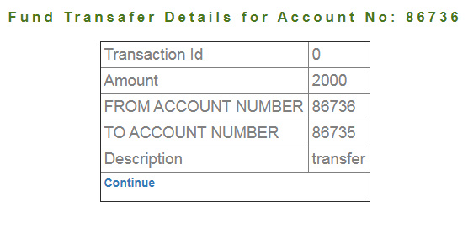 | Fail
CTC_FT_014 | Fund transfer from customer's account to Another user's account | Verify fund transfer can not be conducted from customer's account to another user's Account | 1)Login to Guru99 Bank app as customer1 2) Click on Fund Transfer tab 3)Enter Customer1 Account No 4)Enter Customer2 account no 5)Enter amount to be transfered 6)Add description 7) click Submit | Payers account no 86734 Payees account no 86736 Amount to be transferred-2000 Description-transfer | A massage "Account No does not exist" must appear. | Failed. Fund transfering is being done again from customer's account to another user's account | 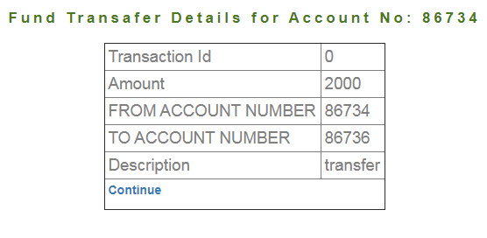 | Fail
CTC_FT_015 | Fund transfer from customer's same account | Verify fund transfer can not be conducted from customer's account to the same account | 1)Login to Guru99 Bank app as customer1 2) Click on Fund Transfer tab 3)Enter customer's Account No 4)Enter same account no 5)Enter amount to be transfered 6)Add description 7) click Submit | Payers account no 86734 Payees account no 86734 Amount to be transferred-2000 Description-transfer | A massage "Payer's Account and Payees Account can not be the same". | Failed. Funds can be Transferred from same account. | 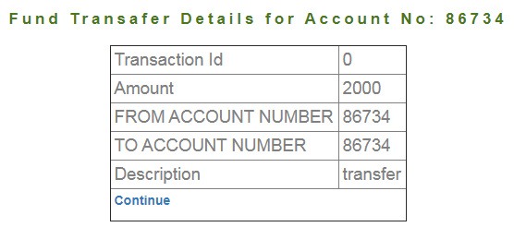 | Fail
CTC_MS_001 | Mini Statement othe user's Account No | Verify Customer can see only his account's Mini Statement | 1)Login to Guru99 Bank app as customer1 2) Click on Mini Statement tab 3)Enter Customer2 Account No 4) click Submit | Other customer's Account No - 86736 | A massage "You are not authorized to generate statement of this account" must be displayed. | Failed. Another user's transaction details can be generated by the user. |  | Fail
CTC_MS_002 | Mini Statement Wrong Account No | Verify Customer can not view wrong Account No Mini Statement | 1)Login to Guru99 Bank app as customer 2) Click on Mini Statement tab 3)Enter a non existing Account No 4) click Submit | A Non Existing Account No - 86737 | A massage "Account does not exist" must be displayed. | As Expected |  | Pass
CTC_CS_001 | Customized Statement | Verify Customer can see only his account's Customized Statement | 1)Login to Guru99 Bank app as customer1 2) Click on Customized Statement tab 3)Enter customer2 Account No 4)Choose date 5)Enter Min transaction Value 6)Enter Number of transaction 7) click Submit | Other customer's Account No - 86736 01/10/2020-21/10/2020 2000 5 | A massage "You are not authorized to generate statement of this account" must be displayed. |  Failed. Another user's transaction details can be generated by the user. |  | Fail
CTC_CS_002 | Customized Statement Wrong Account No | Verify Customer can not view wrong Account No Customized Statement | 1)Login to Guru99 Bank app as customer 2) Click on Mini Statement tab 3)Enter a non existing Account No 4) click Submit | A Non Existing Account No - 86737 | A massage "Account does not exist" must be displayed. | As Expected |  | Pass
CTC_CS_003 | Customized Statement From date is forward than to date | Verify Customer can not generate Customized Statement when from date is bigger than the to date. | 1)Login to Guru99 Bank app as customer 2) Click on Customized Statement tab 3)Enter customer's Account No 4)Choose impossible date 5)Enter Min transaction Value 6)Enter Number of transaction 7) click Submit | Other customer's Account No - 86736 31/10/2020-01/10/2020 2000 5 | A massage "From date field must be lower than to date field" must occur. | A massage "No Transition details found" occurs. |  | Fail

